Data analysis
Ligand (syringe) | 1.0 | mM |  |  |  | n | 1.25
Protein (Cell) | 0.045 | mM |  |  |  | Kd | 0.0159 | mM
Temperature | 25.0 | C |  |  |  | dH_binding | -50.20 | kJ/mol
Initial cell volume | 0.2028 | ml

 |  |  |  |  |  |  |  |  | Theo | Exp | RS | RSS
Injektion (µL) | Inj total (µL) | cell volume (ml) | [L] (mM) | [P] (mM) | Molar ratio | [PL] (mM) | Q(i) (kJ) | dQ(i) (kJ) | dQ(i)/[injected] (kJ/mol) | dQ(i)/[injected] (kJ/mol)
2.5 | 2.5 | 0.2053 | 0.012 | 0.04445 | 0.3 | 0.01036 | -1.0679915057E-07 | -1.0679915057E-07 | -42.719660226 | -41.84 | 7.74E-01 | 2.08E+01
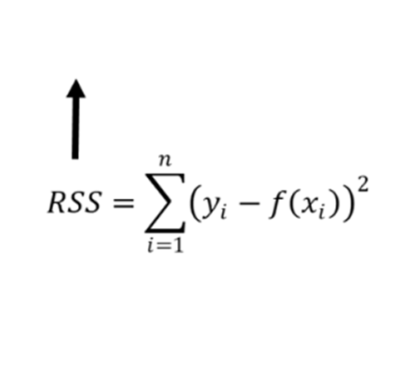
2.5 | 5 | 0.2078 | 0.024 | 0.04392 | 0.5 | 0.01847 | -1.9272881206E-07 | -8.5929661495E-08 | -34.371864598 | -36.82 | 5.99E+00
2.5 | 7.5 | 0.2103 | 0.036 | 0.04340 | 0.8 | 0.02428 | -2.5637887138E-07 | -6.3650059319E-08 | -25.460023728 | -23.01 | 6.00E+00
2.5 | 10 | 0.2128 | 0.047 | 0.04289 | 1.1 | 0.02817 | -3.009491577E-07 | -4.4570286318E-08 | -17.828114527 | -18.83 | 1.00E+00
2.5 | 12.5 | 0.2153 | 0.058 | 0.04239 | 1.4 | 0.03069 | -3.3170921139E-07 | -3.0760053695E-08 | -12.304021478 | -11.72 | 3.41E-01
2.5 | 15 | 0.2178 | 0.069 | 0.04190 | 1.6 | 0.03231 | -3.5328371284E-07 | -2.1574501447E-08 | -8.6298005789 | -7.95 | 4.62E-01
2.5 | 17.5 | 0.2203 | 0.079 | 0.04143 | 1.9 | 0.03335 | -3.688672364E-07 | -1.5583523556E-08 | -6.2334094223 | -7.12 | 7.86E-01
2.5 | 20 | 0.2228 | 0.090 | 0.04096 | 2.2 | 0.03402 | -3.8048629584E-07 | -1.1619059448E-08 | -4.6476237792 | -6.69 | 4.17E+00
2.5 | 22.5 | 0.2253 | 0.100 | 0.04051 | 2.5 | 0.03443 | -3.894082851E-07 | -8.9219892585E-09 | -3.5687957034 | -3.35 | 4.79E-02
2.5 | 25 | 0.2278 | 0.110 | 0.04006 | 2.7 | 0.03466 | -3.9643842485E-07 | -7.0301397468E-09 | -2.8120558987 | -2.93 | 1.39E-02
2.5 | 27.5 | 0.2303 | 0.119 | 0.03963 | 3.0 | 0.03478 | -4.0210210215E-07 | -5.6636773025E-09 | -2.265470921 | -1.67 | 3.55E-01
2.5 | 30 | 0.2328 | 0.129 | 0.03920 | 3.3 | 0.03480 | -4.0675225875E-07 | -4.6501565994E-09 | -1.8600626398 | -1.67 | 3.61E-02
2.5 | 32.5 | 0.2353 | 0.138 | 0.03878 | 3.6 | 0.03476 | -4.1063278476E-07 | -3.8805260139E-09 | -1.5522104056 | -1.26 | 8.54E-02
2.5 | 35 | 0.2378 | 0.147 | 0.03838 | 3.8 | 0.03467 | -4.1391666632E-07 | -3.2838815576E-09 | -1.313552623 | -0.84 | 2.24E-01
2.5 | 37.5 | 0.2403 | 0.156 | 0.03798 | 4.1 | 0.03454 | -4.1672952619E-07 | -2.8128598671E-09 | -1.1251439468 | -0.42 | 4.97E-01

deltaG at 25C | deltaEntropy
-27443.688791 | -76.34

 |  |  |  |  |  |  |  | -28.034
 |  |  |  |  |  |  |  | -0.094073825503

